Company_Revenue
Sum of Revenue | Column Labels
Row Labels | Company A | Company B | Company C | Company D | Company E | Company F | Company G | Company H | Company I | Company J | Company K | Company L | Company M | Company N | Company O | Company P | Company Q | Company R | Company S | Company T | Grand Total
2018 | 56412 | 56126 | 33943 | 71600 | 58988 | 63768 | 53198 | 56858 | 62879 | 66479 | 46286 | 52031 | 66617 | 71546 | 45776 | 52180 | 59636 | 59044 | 74402 | 50382 | 1158151
Grand Total | 56412 | 56126 | 33943 | 71600 | 58988 | 63768 | 53198 | 56858 | 62879 | 66479 | 46286 | 52031 | 66617 | 71546 | 45776 | 52180 | 59636 | 59044 | 74402 | 50382 | 1158151

Yearly_Revenue
Row Labels | Sum of Revenue
2018 | 1158151
Jan | 92759
Feb | 93096
Mar | 103309
Apr | 93392
May | 118523
Jun | 105113
Jul | 86694
Aug | 96143
Sep | 89459
Oct | 88891
Nov | 99699
Dec | 91073
Grand Total | 1158151

Sales_Made
Region | (All)

Sum of Revenue | Column Labels
Row Labels | Andrew James | Anna Weber | Anne Lee | Ben Wallace | Kim Fishman | Laura Larsen | Michael Fox | Oscar Knox | Grand Total
2018 | 138437 | 141614 | 127145 | 135455 | 126344 | 176838 | 155111 | 157207 | 1158151
Grand Total | 138437 | 141614 | 127145 | 135455 | 126344 | 176838 | 155111 | 157207 | 1158151

 |  |  |  |  |  | 'Sales Data'!$A$1:$J$2001

Product_Revenue
Row Labels | Sum of Revenue
Texas | 277069
Item 1 | 87780
2018 | 87780
Item 2 | 57113
2018 | 57113
Item 3 | 18009
2018 | 18009
Item 4 | 38160
2018 | 38160
Item 5 | 76007
2018 | 76007
Grand Total | 277069

Dashboard
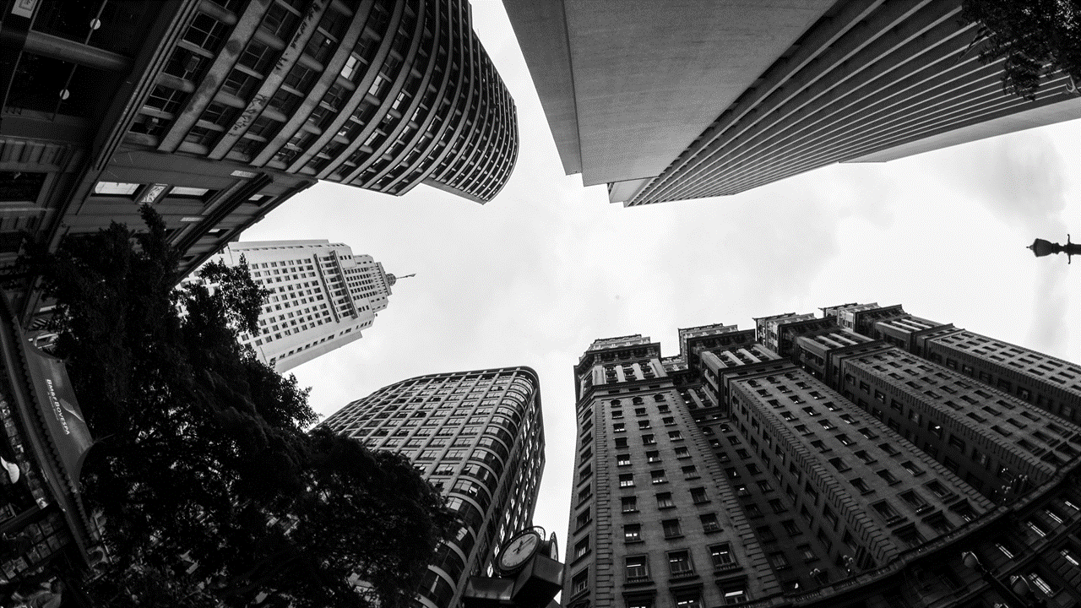
Revenue Analysis

Yearly Revenue
 | Company A | Company B | Company C | Company D | Company E | Company F | Company G | Company H | Company I | Company J | Company K | Company L
2018 | 56412 | 56126 | 33943 | 71600 | 58988 | 63768 | 53198 | 56858 | 62879 | 66479 | 46286 | 52031
Company Sales
 | Total
Jan | 92759
Feb | 93096
Mar | 103309
Apr | 93392
May | 118523
Jun | 105113
Jul | 86694
Aug | 96143
Sep | 89459
Oct | 88891
Nov | 99699
Dec | 91073

Employee Sales
Product Sales
 | Total
2018 | 87780
2018 | 57113
2018 | 18009
2018 | 38160
2018 | 76007
 | Andrew James | Anna Weber | Anne Lee | Ben Wallace | Kim Fishman | Laura Larsen | Michael Fox | Oscar Knox
2018 | 138437 | 141614 | 127145 | 135455 | 126344 | 176838 | 155111 | 157207

